TRAVEL PACKAGE
Accommodation - D'Resort |  |  |  |  |  | How to submit reservation of travel package
D’Resort @ Downtown East is Singapore’s first nature-inspired resort and offers a large selection of rooms and facilities to offer guests a home away from home. Guests can enjoy a range of activities such as exploring the resort, having a BBQ cookout, swimming, enjoying fun time at Wild Wild Wet or bowling. Alternatively, one can relax in the comfort of their air-conditioned rooms equipped with a 40” LED TV, free Wi-Fi access, and other amenities. D’Resort is 15 minutes from the airport and competition venue. Room amenities include full air-conditioning, attached bathroom, wardrobe, television, mini bar, towels, hair dryer and free Wi-Fi access (note: toiletries not provided). |  |  | 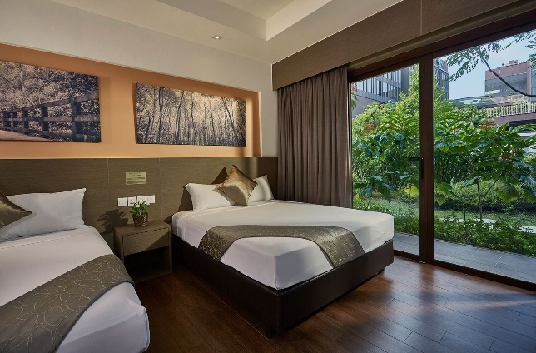 |  |  | 1. Submit complete excel form to events@aseactivesports.com 2. First Submission - Red Tabs (1) Invoicing Information Form; AND (2) Reservation Form 3. Second (Final Submission) - Yellow Tabs, submit by Monday, 25 March 2019: (1) Flight Information Form; (2) Rooming List; AND (3) Land Transfer Form 4. Bus Charter - Green Tab For those who are chartering extra buses (apart from the land transfers provided the Travel Package, please submit the Transportation Charter Form (green tab).

Facilities |  |  | Location
ü BBQ Pits (available through booking) |  |  | 1 Pasir Ris Close, Singapore 519599
ü Retail shops & convenience stores
ü Wild Wild Wet water theme park

Travel Package Pricing |  |  |  |  |  | Formula
Room Type | 2 Nights (3D2N) | 3 Nights (4D3N) | 4 Nights (5D4N) | 5 Nights (6D5N) | 6 Nights (7D6N) |  | 2 | 3 | 4 | 5 | 6
Quad (4 pax per room) | SGD 130.00 | SGD 180.00 | SGD 230.00 | SGD 280.00 | SGD 330.00 | 50 | 130 | 180 | 230 | 280 | 330
Triple (3 pax per room) | SGD 164.00 | SGD 231.00 | SGD 298.00 | SGD 365.00 | SGD 432.00 | 67 | 164 | 231 | 298 | 365 | 432
Twin (2 pax per room) | SGD 230.00 | SGD 330.00 | SGD 430.00 | SGD 530.00 | SGD 630.00 | 100 | 230 | 330 | 430 | 530 | 630
Single (1 pax per room | SGD 430.00 | SGD 630.00 | SGD 830.00 | SGD 1,030.00 | SGD 1,230.00 | 200 | 430 | 630 | 830 | 1030 | 1230
Includes:
Price stated is for per pax.
Accommodation at D'Resort - Flight Information form and Rooming List required
Transportation to and from competition venue and hotel from 5th to 7th April - Transportation Form required
All taxes and gratuities
Prices do not include airfare and airport transfers
Note:
Resort check-in time is after 3pm and check-out time is before 11am.
Luggage and non-perishable items storage is available for limited time period for arrivals before check-in time.
All quad and triple rooms comes with 2 queen sized beds.
Twin rooms will come in 2 single or double beds (subject to availability).
Limited rooms are available. Rooms are available on first come first served basis.
Should D'Resort be no longer available, another 4-star hotel will be sourced in which the travel package is subjected
to price changes
Only those who purchased the travel package will be allowed to utilise the transportation provided in the package.
All cancellations will incur a 100% charge, regardless of the date in which the cancellation is requested.
There are no refunds for early check outs and “no shows”.

Package Add-Ons
Resort Breakfast | SGD 12.00 per person per day (7am - 10:30am)
Airport / Land Transfer | SGD 150.00 per coach per trip - Up to 49 pax/coach
For special rates on Universal Studios Singapore (USS) tickets or a package tour of Singapore, please contact us via email.

